Appeals full plan journey
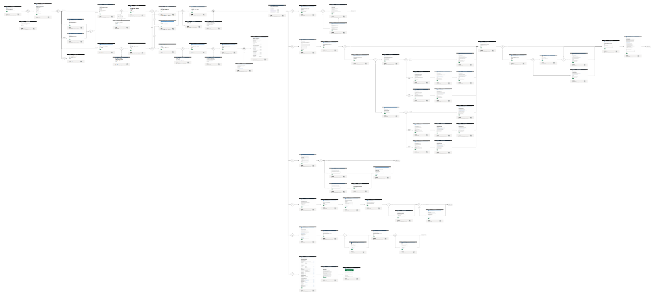
3
11
14
1
1
1
4
7
7
9
17
2
12
5
16
8
10
13
15
18

6

The tests steps and test criteria have been captured from the most recent stable version of the system, not a requirements document. Consequently any errors captured from the system will be baked into these test and validation steps. As a result this document should be periodically reviewed.

Note: All test Urls are using the test environment domain so testing should be done in this environment for correctness

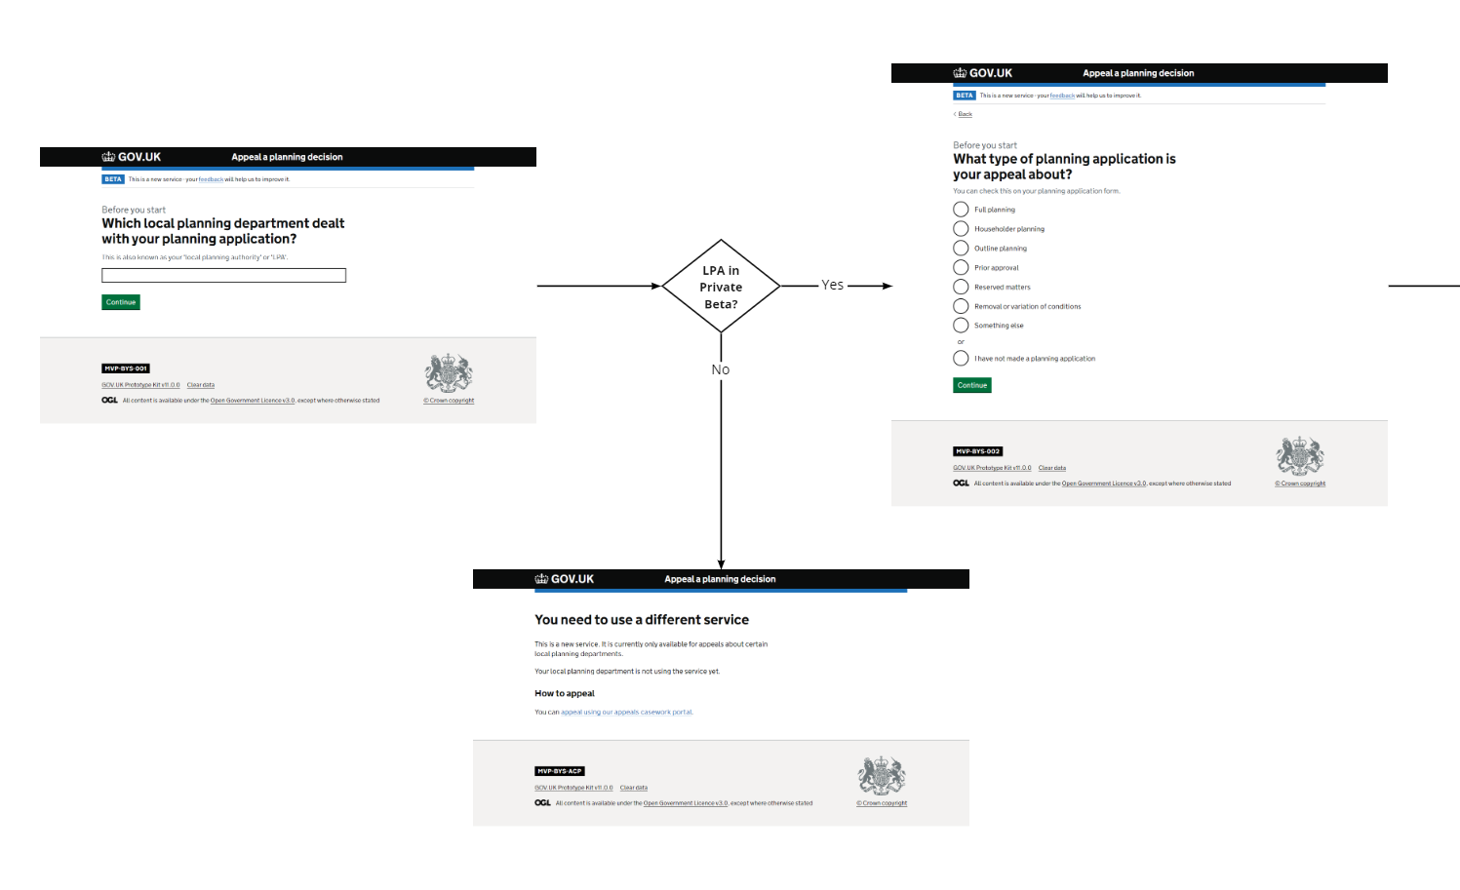

3. What type of planning

1. Before you start

2. LPA use existing service local planning department

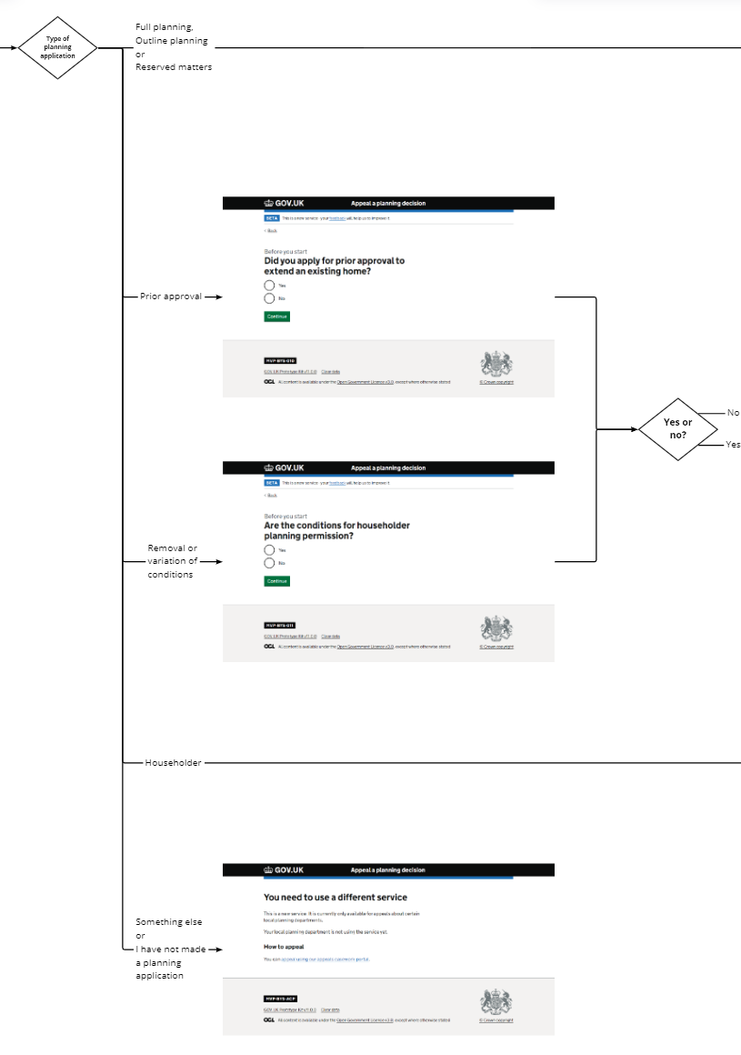
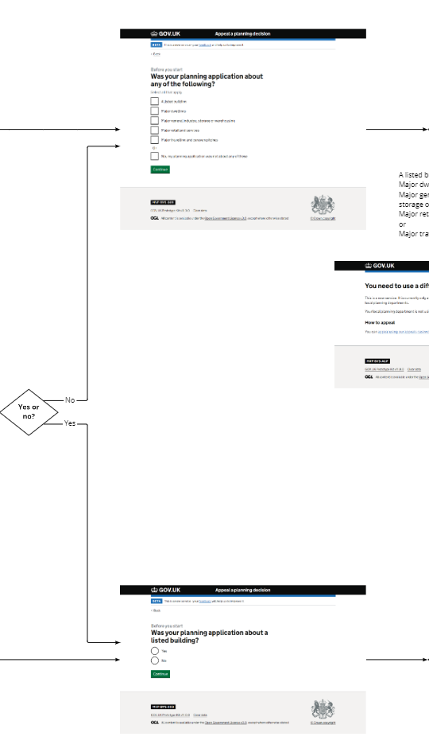
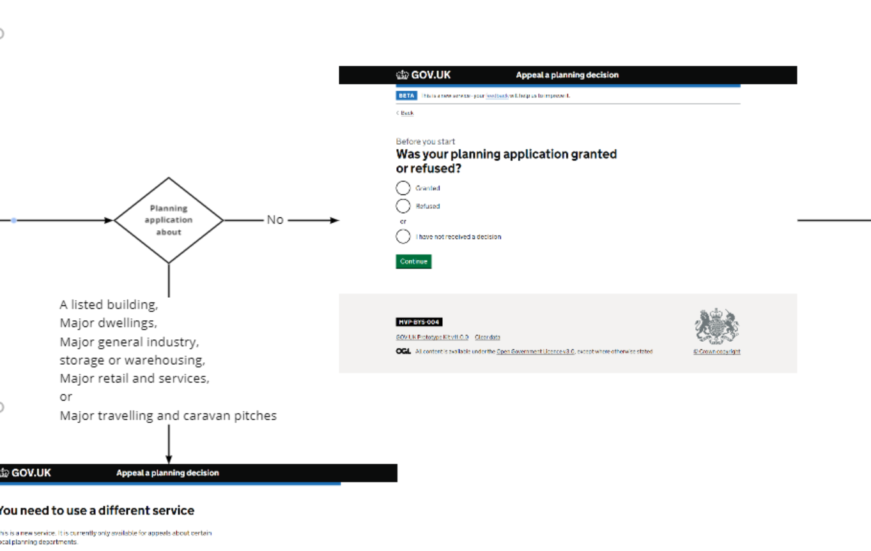

7. Any of the following

9. Granted or Refused full planning

4. Prior approval ex Home

5. Conditions House Holder permission

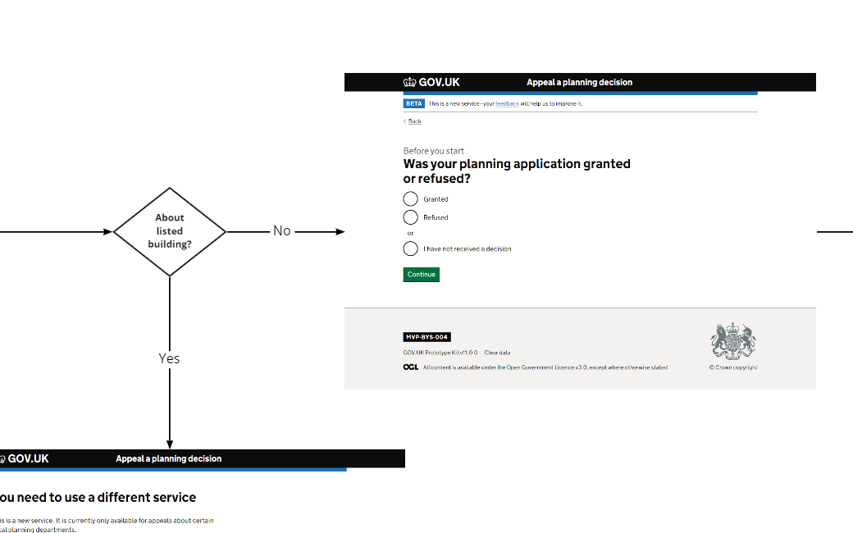
8. Listed building householder
8. Listed building householder
8. Listed building householder
10. Granted or Refused householder

6. Use existing service, something else
6. Use existing service, something else

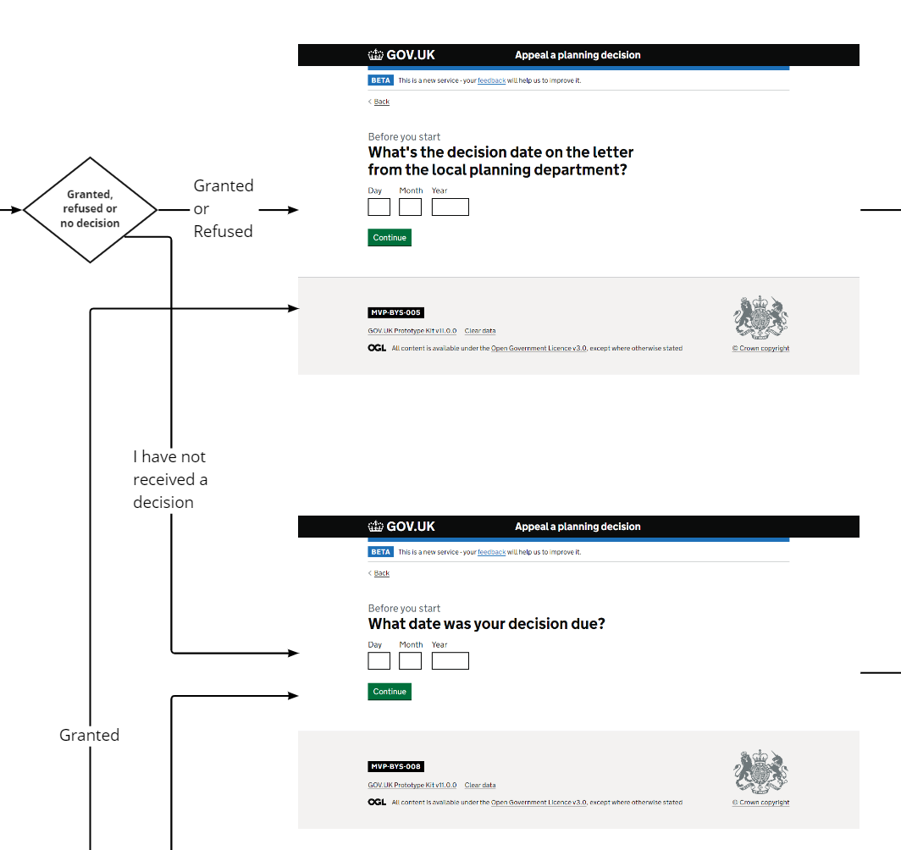
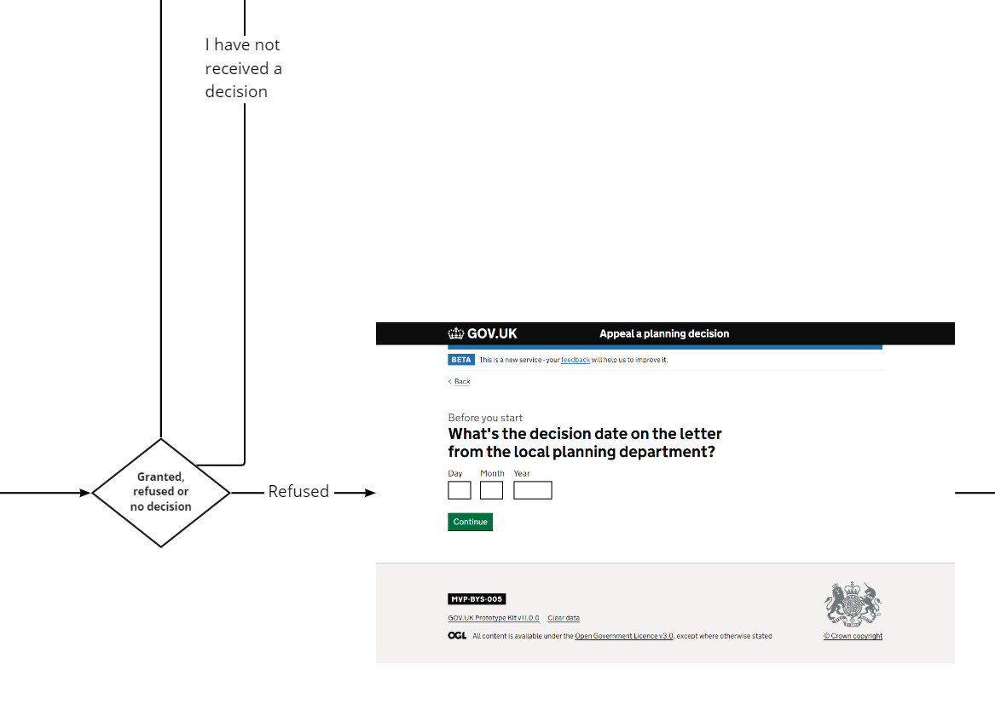

11. Decision date full planning Granted/Refused and HAS Granted

13. Decision date Householder

12. Date decision due FP/HH

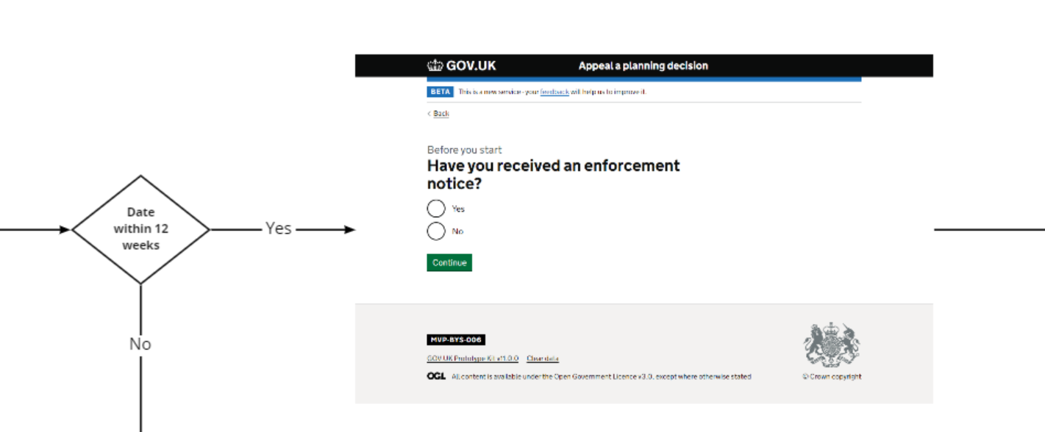
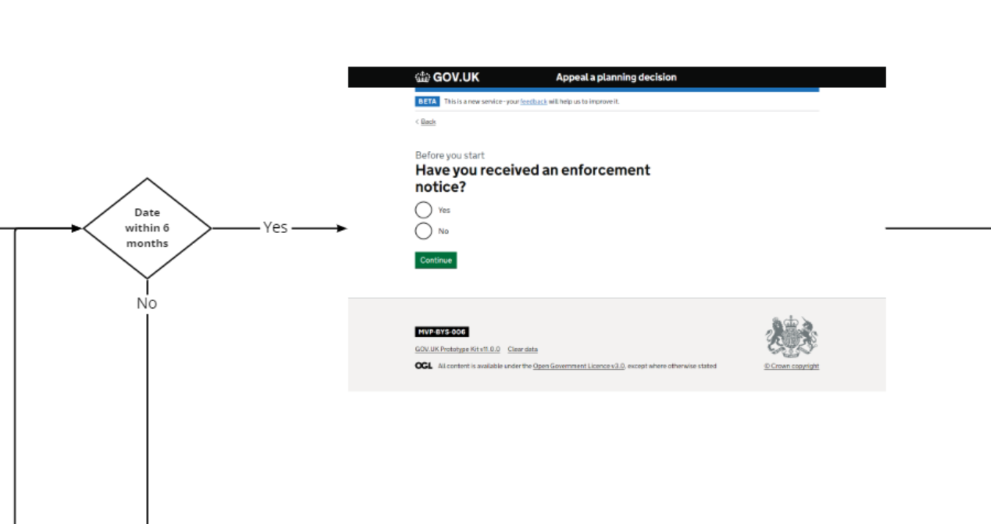

15. Enforcement householder

14. Enforcement full planning

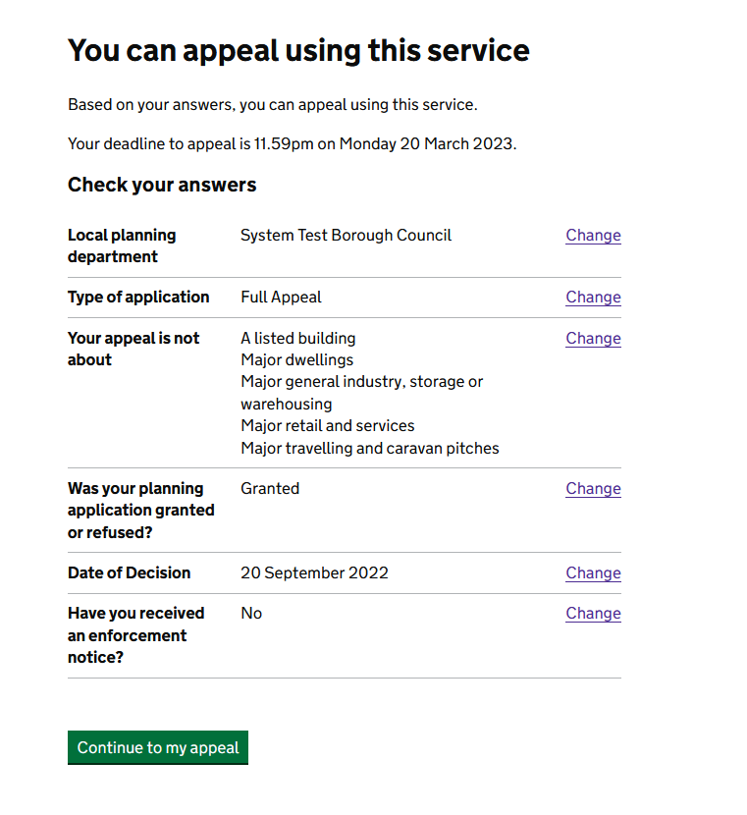
17.Use this servicfull planning

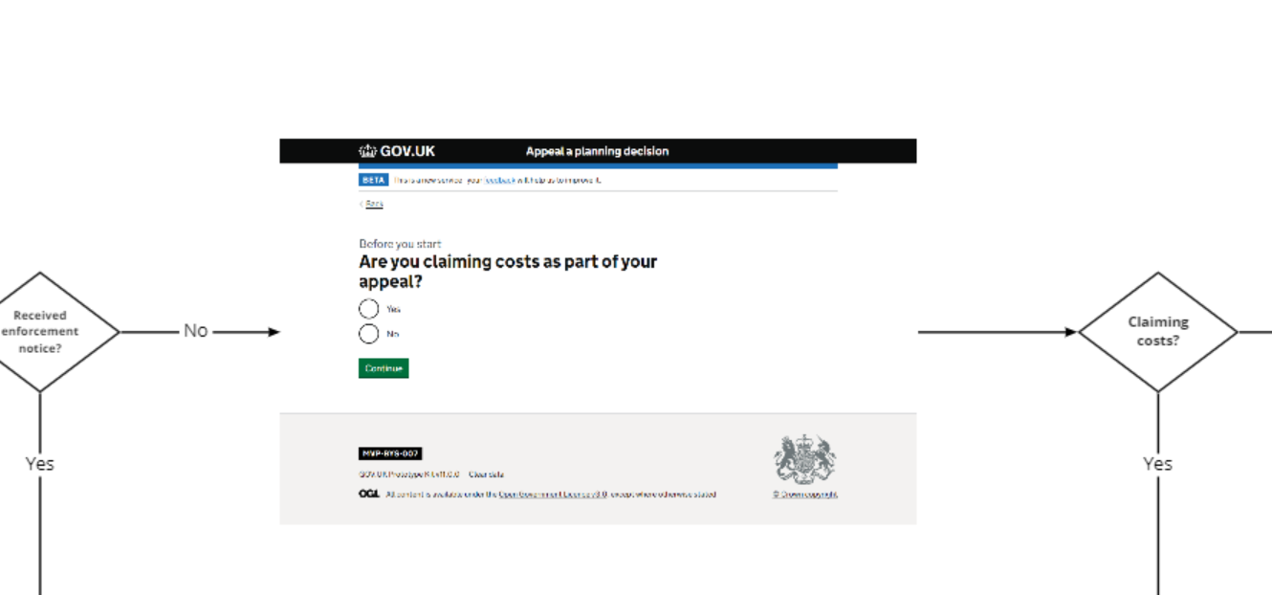

16.Claiming any costs

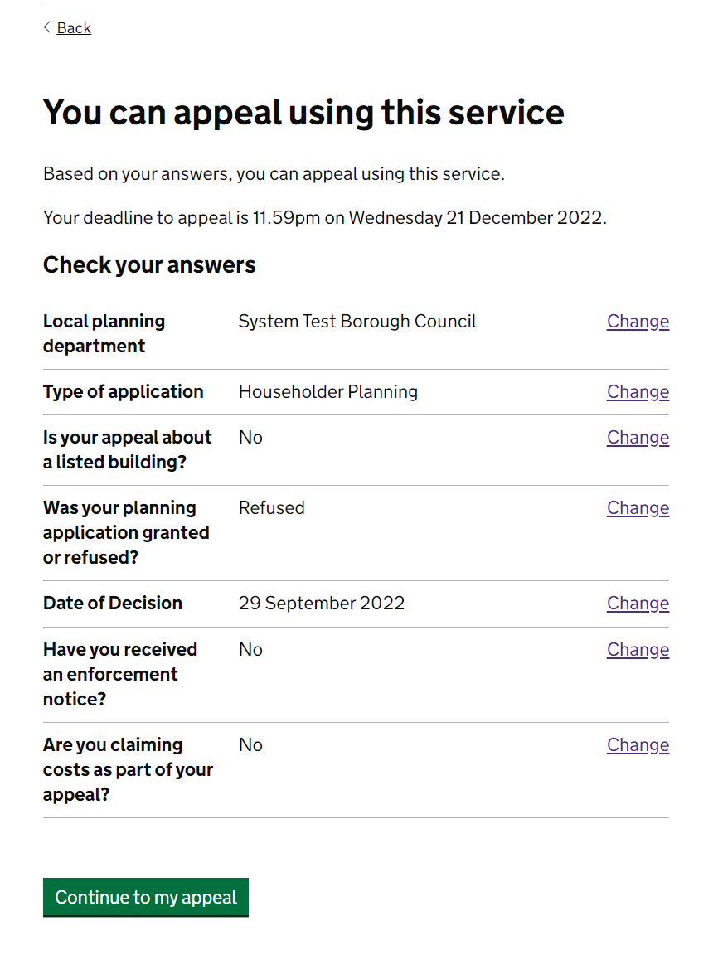

18.Use this service householder

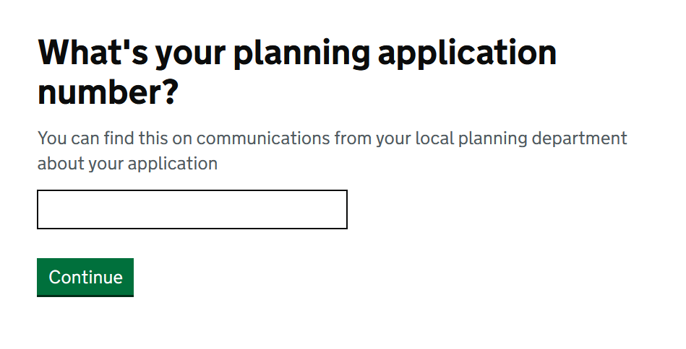
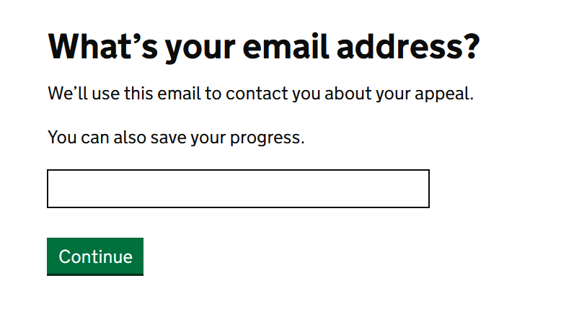

19. Application number full planning
21. Application number full planning

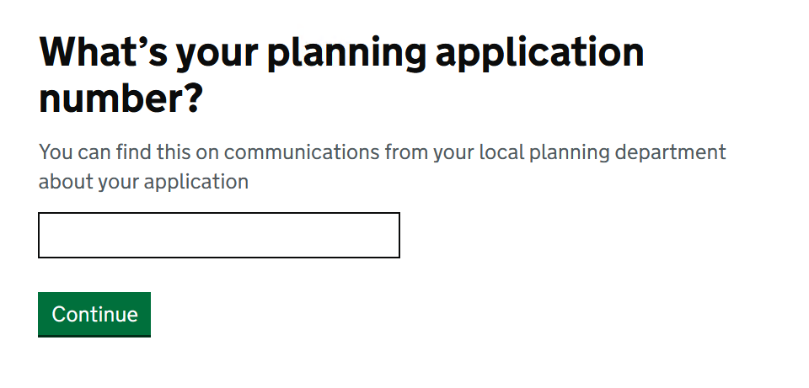
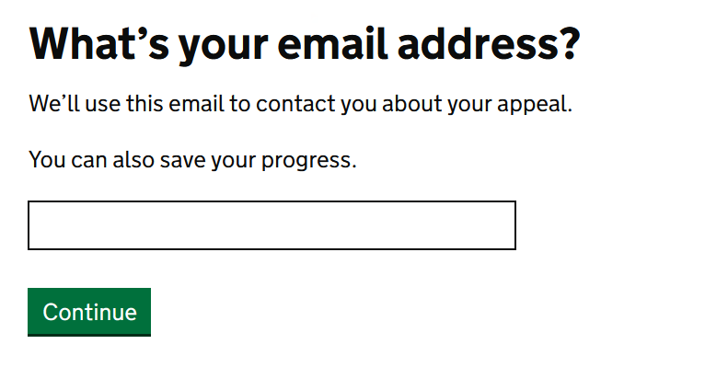

22. Application number householder
20. Application number householder

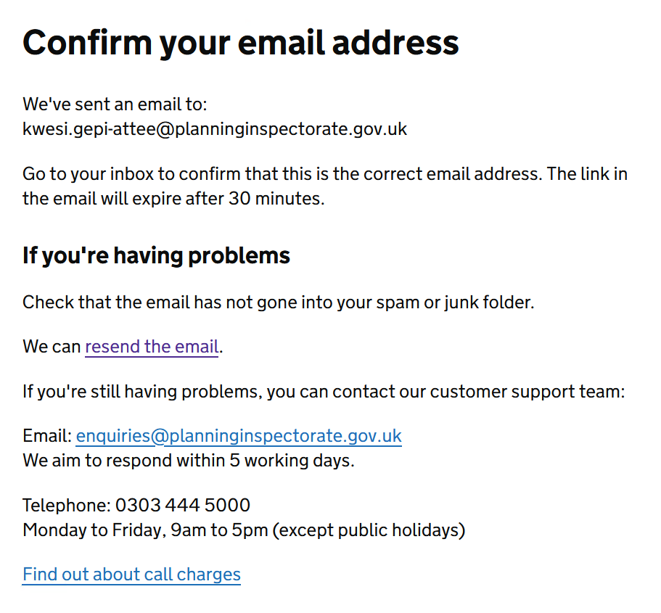
23. Confirm your email full planning
24. Confirm your email householder

25. Email addres confirmed full planning

26. Email addres confirmed householder

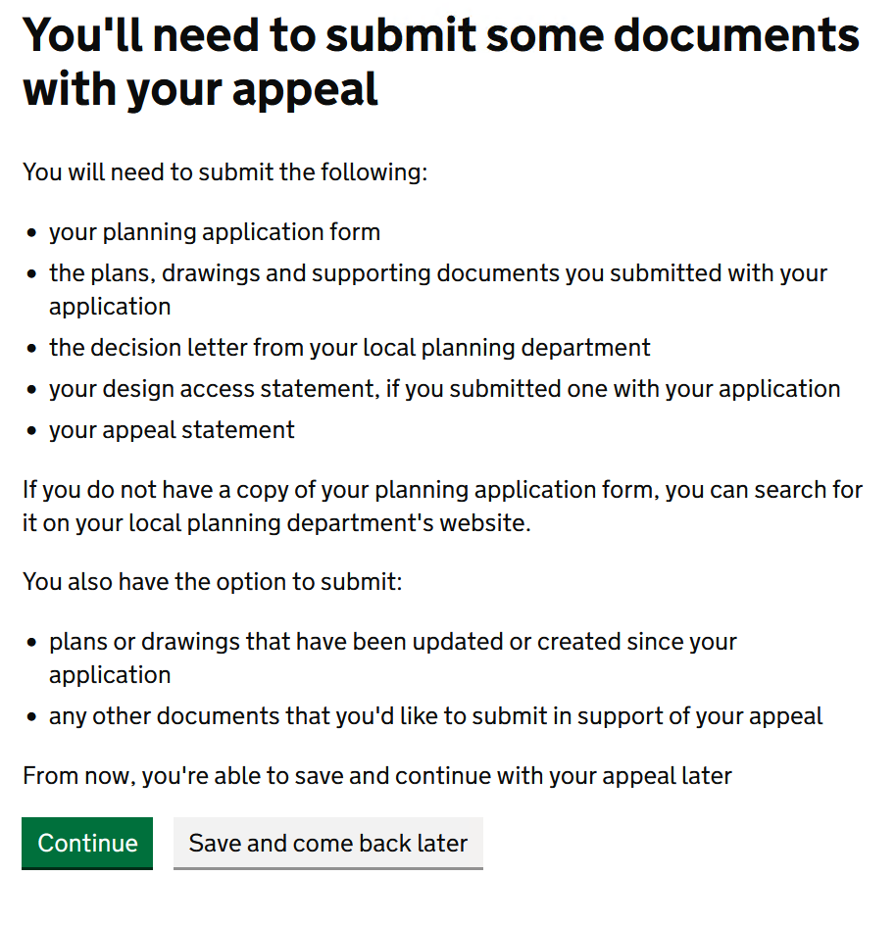

27. Email addres confirmed full planning
28. Email addres confirmed householder

